Sheet1
High-priority network and hardware issues drive most escalations and longer resolution times, while login issues are resolved quickly.
 | IT Support Ticket Analysis & Resolution Performance

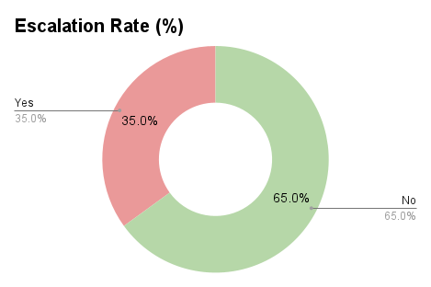

 | Issue Type | Count |  | Total Tickets | 20
 | Login Issue | 6 |  | Resolved % | 65%
 | Network Issue | 5 |  | Escalation % | 35%
 | Software Error | 5 |  | Avg Resolution Time | 32 mins
 | Hardware Issue | 4

Ticket_ID | Issue_Type | Priority | Device | Resolution_Time_Min | Resolved | Escalated
1 | Login Issue | Low | Laptop | 10 | Yes | No
2 | Network Issue | High | Desktop | 45 | No | Yes
3 | Software Error | Medium | Laptop | 25 | Yes | No
4 | Hardware Issue | High | Desktop | 60 | No | Yes
5 | Login Issue | Low | Mobile | 8 | Yes | No
6 | Network Issue | High | Laptop | 40 | No | Yes
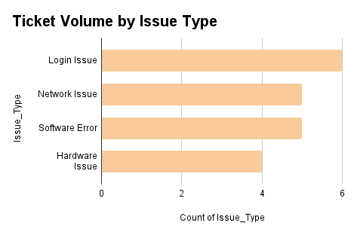
7 | Login Issue | Low | Mobile | 12 | Yes | No
8 | Software Error | Medium | Desktop | 30 | Yes | No
9 | Hardware Issue | High | Desktop | 55 | No | Yes
10 | Network Issue | High | Laptop | 35 | Yes | No
11 | Login Issue | Low | Laptop | 9 | Yes | No
12 | Software Error | Medium | Mobile | 20 | Yes | No
13 | Hardware Issue | High | Desktop | 65 | No | Yes
14 | Network Issue | High | Desktop | 50 | No | Yes
15 | Login Issue | Low | Mobile | 7 | Yes | No
16 | Software Error | Medium | Laptop | 28 | Yes | No
17 | Hardware Issue | High | Desktop | 70 | No | Yes
18 | Network Issue | High | Laptop | 38 | Yes | No
19 | Login Issue | Low | Laptop | 11 | Yes | No
20 | Software Error | Medium | Desktop | 22 | Yes | No

